data_rev_movie_desc
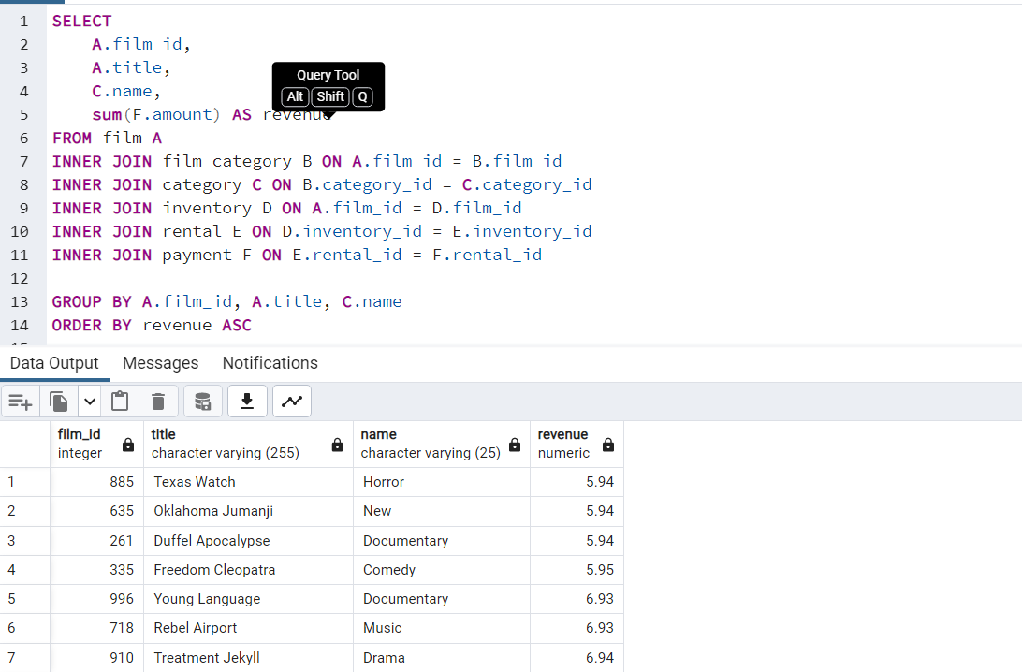
film_id | title | name | revenue
879 | Telegraph Voyage | Music | 215.75
1000 | Zorro Ark | Comedy | 199.72
973 | Wife Turn | Documentary | 198.73
460 | Innocent Usual | Foreign | 191.74
444 | Hustler Party | Comedy | 190.78
764 | Saturday Lambs | Sports | 190.74
893 | Titans Jerk | Sci-Fi | 186.73
403 | Harry Idaho | Drama | 177.73
897 | Torque Bound | Drama | 169.76
239 | Dogma Family | Animation | 168.72
670 | Pelican Comforts | Documentary | 165.77
369 | Goodfellas Salute | Sci-Fi | 164.75
327 | Fool Mockingbird | Action | 162.79
31 | Apache Divine | Family | 160.72
284 | Enemy Odds | Music | 159.75
127 | Cat Coneheads | Comedy | 159.73
771 | Scorpion Apollo | Drama | 158.79
715 | Range Moonwalker | Family | 158.77
767 | Scalawag Duck | Music | 157.71
865 | Sunrise League | Animation | 155.78
527 | Lola Agent | Horror | 154.77
551 | Maiden Home | New | 152.78
938 | Velvet Terminator | Comedy | 152.77
159 | Closer Bang | Comedy | 152.76
103 | Bucket Brotherhood | Travel | 150.72
892 | Titanic Boondock | Animation | 149.78
563 | Massacre Usual | Games | 149.75
624 | Nightmare Chill | Games | 148.79
941 | Videotape Arsenic | Games | 148.76
21 | American Circus | Action | 146.81
979 | Witches Panic | Drama | 146.75
791 | Show Lord | Documentary | 145.78
579 | Minds Truman | Action | 144.81
989 | Working Microcosmos | Travel | 144.78
985 | Wonderland Christmas | Sci-Fi | 142.79
408 | Head Stranger | Games | 142.79
330 | Forrester Comancheros | Animation | 141.74
48 | Backlash Undefeated | Children | 140.84
244 | Dorado Notting | Music | 140.78
86 | Boogie Amelie | Music | 140.74
778 | Secrets Paradise | Family | 139.82
580 | Mine Titans | New | 138.83
838 | Stagecoach Armageddon | Action | 138.77
683 | Pity Bound | Drama | 138.77
745 | Roses Treasure | Sports | 137.77
856 | Streetcar Intentions | Horror | 137.77
307 | Fellowship Autumn | Travel | 137.76
843 | Steel Santa | Classics | 136.78
174 | Confidential Interview | Music | 136.76
911 | Trip Newton | Action | 135.74
324 | Flintstones Happiness | Comedy | 134.83
350 | Garden Island | Sci-Fi | 134.82
267 | Eagles Panky | New | 134.81
861 | Suit Walls | Games | 134.81
320 | Flamingos Connecticut | New | 134.78
45 | Attraction Newton | New | 133.78
902 | Trading Pinocchio | Sports | 133.77
263 | Durham Panky | Sports | 132.76
614 | Name Detective | Games | 131.78
253 | Drifter Commandments | Action | 131.78
10 | Aladdin Calendar | Sports | 131.77
172 | Coneheads Smoochy | Drama | 131.76
521 | Lies Treatment | Drama | 131.76
575 | Midsummer Groundhog | Documentary | 129.82
227 | Details Packer | Games | 128.82
706 | Queen Luke | Drama | 128.79
898 | Tourist Pelican | Sports | 126.81
755 | Sabrina Midnight | Children | 126.79
518 | Liaisons Sweet | Travel | 126.79
500 | Kiss Glory | Foreign | 126.79
61 | Beauty Grease | Drama | 125.79
603 | Movie Shakespeare | Family | 125.78
361 | Gleaming Jawbreaker | Sports | 125.72
135 | Chance Resurrection | Sports | 124.76
112 | Calendar Gunfight | Foreign | 123.82
412 | Heavyweights Beast | Documentary | 123.78
763 | Satisfaction Confidential | Sports | 122.84
995 | Yentl Idaho | Horror | 122.79
167 | Coma Head | Travel | 122.77
131 | Center Dinosaur | Classics | 121.79
804 | Sleeping Suspects | Horror | 121.78
698 | Princess Giant | Documentary | 121.77
702 | Pulp Beverly | Horror | 121.74
215 | Dawn Pond | Games | 120.83
501 | Kissing Dolls | Action | 120.83
818 | Something Duck | Drama | 120.82
908 | Trap Guys | Foreign | 119.85
680 | Pinocchio Simon | Comedy | 119.82
710 | Rage Games | Family | 119.81
73 | Bingo Talented | Sci-Fi | 119.75
243 | Doors President | Animation | 118.82
222 | Desert Poseidon | Horror | 118.81
556 | Maltese Hope | Games | 118.79
869 | Suspects Quills | Action | 118.73
313 | Fidelity Devil | Horror | 117.82
415 | High Encino | Horror | 117.79
964 | Waterfront Deliverance | Action | 116.84
572 | Metropolis Coma | Sci-Fi | 116.76
621 | Network Peak | Family | 116.73
734 | Road Roxanne | Documentary | 115.83
439 | Hunchback Impossible | Drama | 115.83
69 | Beverly Outlaw | Sci-Fi | 115.79
334 | Freddy Storm | Horror | 115.79
183 | Conversation Downhill | Family | 114.83
129 | Cause Date | Documentary | 114.81
971 | Whale Bikini | Foreign | 113.85
506 | Lady Stage | Horror | 113.84
857 | Strictly Scarface | Comedy | 113.77
777 | Secretary Rouge | Sports | 112.82
6 | Agent Truman | Foreign | 111.81
583 | Mission Zoolander | Animation | 110.84
465 | Interview Liaisons | New | 110.82
694 | Prejudice Oleander | Classics | 110.81
730 | Ridgemont Submarine | New | 110.72
878 | Teen Apollo | Travel | 109.86
785 | Shawshank Bubble | Travel | 109.81
35 | Arachnophobia Rollercoaster | Horror | 109.77
433 | Horn Working | Animation | 109.77
109 | Butterfly Chocolat | New | 108.74
170 | Command Darling | Foreign | 107.84
354 | Ghost Groundhog | Children | 107.81
768 | Scarface Bang | Children | 106.84
100 | Brooklyn Desert | Foreign | 106.81
827 | Spice Sorority | Drama | 106.81
300 | Falcon Volume | Animation | 106.81
946 | Virtual Spoilers | Family | 105.87
346 | Galaxy Sweethearts | Classics | 105.84
512 | League Hellfighters | Classics | 105.83
139 | Chasing Fight | Family | 105.82
725 | Requiem Tycoon | Classics | 105.82
776 | Secret Groundhog | Documentary | 105.81
255 | Driving Polish | Music | 105.81
723 | Reign Gentlemen | Sci-Fi | 105.81
162 | Clueless Bucket | Action | 105.77
854 | Strangers Graffiti | Horror | 104.86
95 | Breakfast Goldfinger | New | 104.84
484 | Jerk Paycheck | Classics | 104.81
37 | Arizona Bang | Classics | 104.79
397 | Hanky October | Sci-Fi | 104.77
919 | Tycoon Gathering | Games | 103.88
578 | Million Ace | Classics | 103.83
805 | Sleepless Monsoon | Animation | 103.83
637 | Open African | Sci-Fi | 103.81
199 | Cupboard Sinners | Documentary | 103.78
378 | Greatest North | Music | 103.73
77 | Birds Perdition | New | 102.83
922 | Undefeated Dalmations | Horror | 102.81
823 | South Wait | Action | 102.79
891 | Timberland Sky | Classics | 102.74
331 | Forward Temple | Games | 102.74
44 | Attacks Hate | Sci-Fi | 101.84
666 | Paycheck Wait | Drama | 101.84
871 | Sweden Shining | Comedy | 101.83
294 | Expecations Natural | Travel | 101.83
760 | Samurai Lion | New | 101.76
895 | Tomorrow Hustler | Classics | 101.76
691 | Poseidon Forever | Sports | 100.83
356 | Giant Troopers | Children | 100.74
468 | Invasion Cyclone | Children | 100.74
175 | Confused Candles | Family | 99.84
845 | Stepmom Dream | Foreign | 99.81
502 | Knock Warlock | Comedy | 99.79
285 | English Bulworth | Sci-Fi | 99.74
392 | Hall Cassidy | Children | 98.84
274 | Egg Igby | Documentary | 98.81
101 | Brotherhood Blanket | Documentary | 98.77
887 | Thief Pelican | Animation | 97.84
476 | Jason Trap | Family | 97.77
382 | Grit Clockwork | Games | 97.72
738 | Rocketeer Mother | Foreign | 97.72
789 | Shock Cabin | Foreign | 96.71
483 | Jericho Mulan | Games | 95.84
456 | Inch Jet | Animation | 95.82
349 | Gangs Pride | Animation | 95.78
445 | Hyde Doctor | Classics | 95.76
71 | Bilko Anonymous | Family | 94.88
365 | Gold River | Comedy | 94.86
570 | Mermaid Insects | Sports | 94.85
336 | French Holiday | Documentary | 94.84
370 | Gorgeous Bingo | Children | 94.83
668 | Peak Forever | Sports | 94.82
304 | Fargo Gandhi | Children | 94.79
665 | Patton Interview | Horror | 94.79
319 | Fish Opus | Sci-Fi | 94.78
295 | Expendable Stallion | Documentary | 94.74
835 | Spy Mile | Games | 94.73
216 | Day Unfaithful | New | 93.88
678 | Pickup Driving | Sports | 93.85
859 | Sugar Wonka | Animation | 93.85
59 | Bear Graceland | Children | 93.81
114 | Camelot Vacation | Sci-Fi | 93.76
873 | Sweethearts Suspects | Children | 93.73
969 | West Lion | Drama | 92.86
396 | Hanging Deep | Drama | 92.85
184 | Core Suit | Classics | 92.84
486 | Jet Neighbors | Foreign | 92.83
414 | Hellfighters Sierra | Foreign | 92.81
305 | Fatal Haunted | New | 92.77
798 | Silverado Goldfinger | Sci-Fi | 91.88
226 | Destiny Saturday | New | 91.85
51 | Balloon Homeward | Music | 91.78
260 | Dude Blindness | Sports | 90.87
980 | Wizard Coldblooded | Music | 90.85
447 | Ice Crossing | Games | 90.78
704 | Pure Runner | Comedy | 89.85
165 | Coldblooded Darling | Sci-Fi | 89.84
451 | Igby Maker | Travel | 89.83
930 | Vacation Boondock | Sci-Fi | 89.81
568 | Memento Zoolander | Comedy | 88.87
739 | Rocky War | Drama | 88.87
116 | Candidate Perdition | Classics | 88.82
571 | Metal Armageddon | Documentary | 88.79
450 | Idols Snatchers | Children | 88.76
880 | Telemark Heartbreakers | Animation | 88.76
65 | Behavior Runaway | Horror | 87.89
98 | Bright Encounters | Drama | 87.88
321 | Flash Wars | New | 87.88
446 | Hysterical Grail | Sports | 87.85
212 | Darn Forrester | Action | 87.83
649 | Oz Liaisons | Animation | 87.78
166 | Color Philadelphia | Classics | 87.78
654 | Panky Submarine | Games | 86.88
8 | Airport Pollock | Horror | 86.85
803 | Slacker Liaisons | Drama | 86.84
944 | Virgin Daisy | Drama | 86.84
773 | Seabiscuit Punk | Sports | 86.76
609 | Muscle Bright | Travel | 86.73
489 | Juggler Hardly | Animation | 86.71
203 | Daisy Menagerie | Sci-Fi | 85.86
844 | Steers Armageddon | Sports | 85.85
735 | Robbers Joon | Children | 85.74
179 | Conquerer Nuts | Drama | 84.87
141 | Chicago North | Games | 84.85
772 | Sea Virgin | Drama | 84.81
55 | Barbarella Streetcar | Sci-Fi | 84.78
559 | Married Go | Sci-Fi | 84.74
682 | Pittsburgh Hunchback | Family | 83.89
757 | Sagebrush Clueless | Documentary | 83.86
532 | Loser Hustler | Sports | 83.86
655 | Panther Reds | Sci-Fi | 83.86
265 | Dying Maker | Comedy | 83.85
329 | Forrest Sons | Action | 83.83
4 | Affair Prejudice | Horror | 83.79
644 | Oscar Gold | Animation | 83.75
421 | Holiday Games | Foreign | 82.85
7 | Airplane Sierra | Comedy | 82.85
611 | Musketeers Wait | Classics | 82.85
123 | Casablanca Super | Travel | 82.84
443 | Hurricane Affair | Comedy | 82.77
398 | Hanover Galaxy | Music | 81.86
115 | Campus Remember | Action | 81.83
753 | Rush Goodfellas | Family | 81.72
667 | Peach Innocent | Sports | 80.86
251 | Dragonfly Strangers | New | 80.86
438 | Human Graffiti | Games | 80.85
643 | Orient Closer | Drama | 80.83
936 | Vanishing Rocky | Music | 80.83
958 | Wardrobe Phantom | Drama | 80.77
638 | Operation Operation | Comedy | 80.75
272 | Edge Kissing | Drama | 79.87
68 | Betrayed Rear | Children | 79.87
70 | Bikini Borrowers | Animation | 79.86
121 | Carol Texas | Animation | 79.83
657 | Paradise Sabrina | Comedy | 79.82
852 | Strangelove Desire | Children | 79.78
625 | None Spiking | Sci-Fi | 79.75
867 | Super Wyoming | Family | 78.88
749 | Rules Human | Horror | 78.87
858 | Submarine Bed | Comedy | 78.87
385 | Groundhog Uncut | Comedy | 78.86
229 | Devil Desire | Action | 78.86
481 | Jekyll Frogmen | New | 78.84
464 | Intentions Empire | Animation | 78.83
608 | Murder Antitrust | Children | 78.79
78 | Blackout Private | Animation | 78.77
220 | Deer Virginian | Music | 78.76
901 | Tracy Cider | Animation | 78.76
181 | Contact Anonymous | Travel | 78.76
711 | Raging Airplane | Sci-Fi | 77.88
190 | Creepers Kane | Classics | 77.87
708 | Quills Bull | Documentary | 77.87
628 | Northwest Polish | Sports | 77.82
326 | Flying Hook | Animation | 77.81
234 | Disturbing Scarface | Sci-Fi | 77.77
154 | Clash Freddy | Animation | 77.77
434 | Horror Reign | Travel | 77.75
531 | Lose Inch | Foreign | 77.74
917 | Tuxedo Mile | Sports | 76.87
588 | Model Fish | Children | 76.87
453 | Image Princess | Sports | 76.86
381 | Grinch Massage | Games | 76.86
956 | Wanda Chamber | Games | 76.86
510 | Lawless Vision | Animation | 76.86
50 | Baked Cleopatra | Family | 76.85
806 | Sleepy Japanese | New | 76.83
616 | National Story | Documentary | 76.83
920 | Unbreakable Karate | New | 76.81
49 | Badman Dawn | Sci-Fi | 76.79
471 | Island Exorcist | Classics | 76.77
597 | Moonwalker Fool | Games | 75.89
177 | Connecticut Tramp | Sci-Fi | 75.89
219 | Deep Crusade | Documentary | 75.87
774 | Searchers Wait | Comedy | 75.86
420 | Holes Brannigan | Sports | 75.86
820 | Sons Interview | Animation | 75.85
912 | Trojan Tomorrow | Sci-Fi | 75.82
83 | Blues Instinct | Family | 75.82
43 | Atlantis Cause | Family | 75.79
554 | Malkovich Pet | Classics | 75.77
74 | Birch Antitrust | Music | 74.89
455 | Impossible Prejudice | Foreign | 74.86
542 | Lust Lock | Action | 74.82
322 | Flatliners Killer | Sports | 74.81
288 | Escape Metropolis | Travel | 74.77
341 | Frost Head | Classics | 74.72
113 | California Birds | Sports | 73.89
888 | Thin Sagebrush | Documentary | 73.89
686 | Pluto Oleander | New | 73.87
987 | Words Hunter | Music | 73.86
648 | Outlaw Hanky | Travel | 73.86
953 | Wait Cider | Animation | 73.82
302 | Fantasia Park | Games | 73.81
391 | Half Outfield | Family | 73.79
432 | Hope Tootsie | Classics | 72.83
247 | Downhill Enough | Comedy | 72.79
151 | Cincinatti Whisperer | Sci-Fi | 71.89
9 | Alabama Devil | Horror | 71.88
81 | Blindness Gun | Sci-Fi | 71.87
473 | Jacket Frisco | Drama | 71.84
967 | Weekend Personal | Sci-Fi | 71.83
966 | Wedding Apollo | Documentary | 71.79
173 | Confessions Maguire | Drama | 70.87
480 | Jeepers Wedding | Classics | 70.87
765 | Saturn Name | Comedy | 70.87
308 | Ferris Mother | Comedy | 70.85
724 | Remember Diary | Family | 70.83
914 | Trouble Date | Travel | 70.81
22 | Amistad Midsummer | New | 70.79
555 | Mallrats United | Comedy | 70.78
214 | Daughter Madigan | Children | 69.91
889 | Ties Hunger | Children | 69.91
933 | Vampire Whale | New | 69.89
169 | Comforts Rush | Travel | 69.85
463 | Instinct Airport | Sports | 69.83
968 | Werewolf Lola | Action | 68.88
323 | Flight Lies | Sports | 68.88
448 | Idaho Love | New | 68.85
298 | Eyes Driving | Sci-Fi | 68.84
99 | Bringing Hysterical | Comedy | 68.81
418 | Hobbit Alien | Drama | 68.74
519 | Liberty Magnificent | Sports | 67.89
231 | Dinosaur Secretary | Family | 67.81
491 | Jumping Wrath | Children | 67.79
366 | Goldfinger Sensibility | Drama | 67.79
374 | Graffiti Love | Sci-Fi | 67.74
748 | Rugrats Shakespeare | Action | 67.72
120 | Caribbean Liberty | Sports | 66.92
918 | Twisted Pirates | Children | 66.89
661 | Past Suicides | Foreign | 66.88
207 | Dangerous Uptown | Foreign | 66.88
426 | Home Pity | Music | 66.88
84 | Boiled Dares | Travel | 66.87
137 | Charade Duffel | Sci-Fi | 66.87
999 | Zoolander Fiction | Children | 66.85
991 | Worst Banger | Action | 66.85
275 | Egypt Tenenbaums | Horror | 66.84
689 | Pollock Deliverance | Foreign | 66.82
986 | Wonka Sea | Animation | 66.82
929 | Usual Untouchables | Foreign | 65.88
133 | Chamber Italian | Music | 65.88
957 | War Notting | Foreign | 65.88
529 | Lonely Elephant | Comedy | 65.87
138 | Chariots Conspiracy | Sci-Fi | 65.81
816 | Snowman Rollercoaster | Animation | 65.79
545 | Madness Attacks | Foreign | 65.77
389 | Gunfighter Mussolini | Sports | 64.89
544 | Madison Trap | Documentary | 64.87
236 | Divine Resurrection | Games | 64.85
870 | Swarm Gold | Horror | 64.77
202 | Daddy Pittsburgh | Comedy | 63.89
28 | Anthem Luke | Comedy | 63.89
599 | Mother Oleander | Sports | 63.87
72 | Bill Others | Documentary | 63.82
347 | Games Bowfinger | Travel | 62.88
536 | Lovely Jingle | Classics | 62.87
693 | Potter Connecticut | Animation | 62.85
716 | Reap Unfaithful | Horror | 62.84
351 | Gaslight Crusade | Horror | 62.84
254 | Driver Annie | Sports | 62.84
619 | Neighbors Charade | Sports | 62.83
514 | Lebowski Soldiers | Drama | 62.82
228 | Detective Vision | Classics | 62.76
525 | Loathing Legally | Classics | 62.74
126 | Casualties Encino | Action | 61.92
994 | Wyoming Storm | New | 61.89
17 | Alone Trip | Music | 61.83
462 | Insider Arizona | Music | 61.83
690 | Pond Seattle | Animation | 61.82
641 | Orange Grapes | Foreign | 61.78
824 | Spartacus Cheaper | Family | 60.91
626 | Noon Papi | Children | 60.85
269 | Earring Instinct | Family | 60.83
800 | Sinners Atlantis | Horror | 60.81
266 | Dynamite Tarzan | Classics | 60.77
301 | Family Sweet | Horror | 60.73
499 | King Evolution | Family | 59.92
487 | Jingle Sagebrush | Classics | 59.89
88 | Born Spinal | Travel | 59.88
478 | Jaws Harry | Comedy | 59.87
42 | Artist Coldblooded | Sports | 59.86
620 | Nemo Campus | Sci-Fi | 59.86
557 | Manchurian Curtain | Family | 59.86
429 | Honey Ties | Sports | 59.84
56 | Barefoot Manchurian | Action | 59.83
158 | Clones Pinocchio | Music | 59.83
428 | Homicide Peach | Family | 59.82
872 | Sweet Brotherhood | Travel | 58.89
615 | Nash Chocolat | Animation | 58.87
242 | Doom Dancing | Comedy | 58.83
344 | Fury Murder | Children | 58.83
142 | Chicken Hellfighters | Documentary | 58.81
311 | Fiction Christmas | Foreign | 58.81
417 | Hills Neighbors | Action | 58.79
796 | Sierra Divide | Sports | 57.85
317 | Fireball Philadelphia | Comedy | 57.81
93 | Brannigan Sunrise | New | 56.91
92 | Bowfinger Gables | Horror | 56.89
564 | Massage Image | Animation | 56.89
639 | Opposite Necklace | Family | 56.89
342 | Fugitive Maguire | Travel | 56.89
567 | Meet Chocolate | Foreign | 56.89
916 | Turn Star | Animation | 56.88
449 | Identity Lover | Sci-Fi | 56.88
189 | Creatures Shakespeare | Games | 56.84
90 | Boulevard Mob | New | 56.84
150 | Cider Desire | Documentary | 56.83
733 | River Outlaw | Sports | 56.82
245 | Double Wrath | Animation | 56.79
376 | Grapes Fury | Foreign | 56.77
842 | State Wasteland | Games | 55.89
58 | Beach Heartbreakers | Documentary | 55.86
24 | Analyze Hoosiers | Horror | 55.86
606 | Mummy Creatures | Sports | 55.85
380 | Greek Everyone | Foreign | 55.83
851 | Straight Hours | Sports | 55.81
548 | Magnificent Chitty | Classics | 54.92
591 | Monsoon Cause | Games | 54.91
537 | Lover Truman | Classics | 54.91
13 | Ali Forever | Horror | 54.91
709 | Racer Egg | Drama | 54.83
647 | Outfield Massacre | Music | 54.82
204 | Dalmations Sweden | Drama | 54.82
890 | Tights Dawn | Sports | 54.76
75 | Bird Independence | Travel | 53.91
632 | Nuts Ties | New | 53.91
338 | Frisco Forrest | Sci-Fi | 53.91
152 | Circus Youth | Children | 53.86
474 | Jade Bunch | Sports | 53.85
672 | Perfect Groove | Comedy | 53.84
586 | Mockingbird Hollywood | Action | 53.78
2 | Ace Goldfinger | Horror | 52.93
390 | Guys Falcon | Sci-Fi | 52.92
246 | Doubtfire Labyrinth | Foreign | 52.91
934 | Vanilla Day | Games | 52.91
705 | Purple Movie | Foreign | 52.88
783 | Shane Darkness | Travel | 52.87
664 | Patriot Roman | Action | 52.85
975 | Willow Tracy | Family | 52.85
358 | Gilmore Boiled | Classics | 52.76
653 | Panic Club | Horror | 51.93
627 | North Tequila | Documentary | 51.91
679 | Pilot Hoosiers | Family | 51.86
286 | Enough Raging | Travel | 51.84
601 | Moulin Wake | Travel | 51.84
746 | Rouge Squad | Games | 51.84
23 | Anaconda Confessions | Animation | 51.82
977 | Window Side | Travel | 50.89
728 | Reunion Witches | Drama | 50.82
26 | Annie Identity | Sci-Fi | 50.81
863 | Sun Confessions | Sci-Fi | 50.77
91 | Bound Cheaper | Classics | 50.76
395 | Handicap Boondock | Action | 50.76
932 | Valley Packer | Comedy | 49.88
293 | Exorcist Sting | Sports | 49.88
561 | Mask Peach | New | 49.86
410 | Heaven Freedom | Comedy | 49.85
631 | Novocaine Flight | Sports | 49.82
147 | Chocolat Harry | Family | 49.81
206 | Dancing Fever | Documentary | 49.76
659 | Park Citizen | Action | 48.94
543 | Madigan Dorado | Travel | 48.92
371 | Gosford Donnie | Action | 48.92
587 | Mod Secretary | Documentary | 48.91
729 | Rider Caddyshack | Sports | 48.89
592 | Monster Spartacus | Music | 48.86
937 | Varsity Trip | New | 48.84
737 | Rock Instinct | Horror | 48.83
496 | Kick Savannah | Travel | 48.83
807 | Sleuth Orient | Games | 48.81
810 | Slums Duck | Family | 48.78
779 | Sense Greek | Sports | 47.93
721 | Reds Pocus | Music | 47.92
503 | Kramer Chocolate | Sports | 47.91
5 | African Egg | Thriller | 47.89
546 | Madre Gables | Games | 47.87
232 | Dirty Ace | Games | 47.87
988 | Worker Tarzan | Travel | 47.86
345 | Gables Metropolis | Family | 47.83
945 | Virginian Pluto | Documentary | 47.75
984 | Wonderful Drop | Foreign | 46.92
384 | Grosse Wonderful | Music | 46.92
905 | Trainspotting Strangers | Comedy | 46.91
793 | Shrunk Divine | Action | 46.87
16 | Alley Evolution | Foreign | 46.87
900 | Town Ark | Foreign | 46.87
913 | Troopers Metal | New | 46.86
111 | Caddyshack Jedi | Action | 46.86
458 | Indian Love | Family | 46.85
623 | Newton Labyrinth | Foreign | 46.84
388 | Gunfight Moon | Comedy | 46.79
156 | Clerks Angels | Documentary | 45.94
124 | Casper Dragonfly | Children | 45.93
104 | Bugsy Song | Foreign | 45.91
528 | Lolita World | Family | 45.91
209 | Darkness War | Drama | 45.88
927 | Uprising Uptown | Action | 45.87
681 | Pirates Roxanne | Sports | 45.81
197 | Crusade Honey | Sports | 44.93
826 | Speed Suit | Travel | 44.92
211 | Darling Breaking | Games | 44.92
788 | Ship Wonderland | Documentary | 44.86
436 | Hours Rage | New | 44.82
30 | Anything Savannah | Horror | 43.92
256 | Drop Waterfront | Sports | 43.92
573 | Microcosmos Paradise | Children | 43.88
201 | Cyclone Family | Foreign | 43.87
673 | Personal Ladybugs | Music | 43.87
333 | Freaky Pocus | Music | 43.86
784 | Shanghai Tycoon | Travel | 43.86
925 | United Pilot | Documentary | 43.85
363 | Go Purple | Music | 43.83
650 | Pacific Amistad | Documentary | 43.81
367 | Goldmine Tycoon | Sci-Fi | 43.76
470 | Ishtar Rocketeer | Animation | 42.94
750 | Run Pacific | New | 42.91
589 | Modern Dorado | Documentary | 42.88
770 | Scissorhands Slums | Foreign | 42.88
296 | Express Lonely | Sci-Fi | 42.88
847 | Stock Glass | New | 42.87
287 | Entrapment Satisfaction | Action | 42.87
373 | Graduate Lord | Children | 42.87
921 | Uncut Suicides | Music | 42.87
526 | Lock Rear | Travel | 42.86
951 | Voyage Legally | Classics | 42.75
849 | Storm Happiness | Animation | 42.74
703 | Punk Divorce | Animation | 41.93
431 | Hoosiers Birdcage | Foreign | 41.92
435 | Hotel Happiness | Foreign | 41.92
582 | Miracle Virtual | Animation | 41.92
825 | Speakeasy Date | Action | 41.89
660 | Party Knock | Comedy | 41.88
213 | Date Speed | Family | 41.88
505 | Labyrinth League | Children | 41.87
47 | Baby Hall | Foreign | 40.93
289 | Eve Resurrection | New | 40.93
161 | Clue Grail | Music | 40.93
876 | Tarzan Videotape | Horror | 40.92
375 | Grail Frankenstein | Action | 40.92
685 | Platoon Instinct | New | 40.92
565 | Matrix Snowman | Foreign | 40.92
442 | Hunting Musketeers | Family | 40.88
962 | Wasteland Divine | Classics | 40.88
328 | Forever Candidate | Children | 40.88
658 | Paris Weekend | Horror | 40.88
383 | Groove Fiction | Sports | 40.83
906 | Tramp Others | Comedy | 40.82
833 | Splendor Patton | Children | 40.79
273 | Effect Gladiator | Family | 40.79
687 | Pocus Pulp | Documentary | 40.75
884 | Terminator Club | Music | 39.94
485 | Jersey Sassy | Children | 39.94
466 | Intolerable Intentions | Documentary | 39.93
316 | Fire Wolves | Games | 39.93
422 | Hollow Jeopardy | Sci-Fi | 39.92
515 | Legally Secretary | Children | 39.92
740 | Rollercoaster Bringing | Horror | 39.91
394 | Hamlet Wisdom | Sci-Fi | 39.88
829 | Spinal Rocky | Family | 39.87
652 | Pajama Jawbreaker | Classics | 39.86
110 | Cabin Flash | Children | 39.86
233 | Disciple Mother | Travel | 39.82
602 | Mourning Purple | Sci-Fi | 39.81
472 | Italian African | Travel | 38.94
719 | Records Zorro | Sports | 38.93
828 | Spiking Element | Classics | 38.88
574 | Midnight Westward | Action | 38.84
160 | Club Graffiti | Animation | 38.82
282 | Encounters Curtain | Drama | 38.82
982 | Women Dorado | Action | 38.81
191 | Crooked Frogmen | Children | 38.79
677 | Pianist Outfield | New | 38.78
372 | Graceland Dynamite | Sports | 37.94
522 | Life Twisted | Comedy | 37.92
939 | Vertigo Northwest | Comedy | 37.92
364 | Godfather Diary | New | 37.92
815 | Snatchers Montezuma | Classics | 37.91
792 | Shrek License | Foreign | 37.88
744 | Roots Remember | Classics | 37.86
488 | Joon Northwest | Sports | 37.84
164 | Coast Rainbow | Documentary | 37.82
12 | Alaska Phantom | Music | 37.77
119 | Caper Motions | Comedy | 37.77
268 | Early Home | Animation | 36.94
279 | Elizabeth Shane | Sports | 36.93
817 | Soldiers Evolution | Sci-Fi | 36.93
40 | Army Flintstones | Documentary | 36.86
618 | Necklace Outbreak | Drama | 36.86
552 | Majestic Floats | Documentary | 36.85
864 | Sundance Invasion | Children | 36.82
467 | Intrigue Worst | Foreign | 36.81
461 | Insects Stone | Animation | 36.81
790 | Shootist Superfly | Drama | 36.77
970 | Westward Seabiscuit | Classics | 36.75
697 | Primary Glass | Action | 36.73
340 | Frontier Cabin | New | 35.94
102 | Bubble Grosse | Sports | 35.94
695 | President Bang | Family | 35.94
769 | School Jacket | Foreign | 35.94
360 | Glass Dying | Action | 35.88
303 | Fantasy Troopers | Action | 35.79
850 | Story Side | Action | 35.74
595 | Moon Bunch | Foreign | 35.74
278 | Elf Murder | Music | 34.94
549 | Magnolia Forrester | Action | 34.89
3 | Adaptation Holes | Documentary | 34.89
241 | Donnie Alley | Animation | 34.87
452 | Illusion Amelie | Foreign | 34.87
877 | Taxi Kick | Music | 34.83
457 | Independence Hotel | Documentary | 34.82
200 | Curtain Videotape | Games | 34.77
122 | Carrie Bunch | Horror | 34.77
270 | Earth Vision | New | 34.77
875 | Talented Homicide | Sports | 34.76
310 | Fever Empire | Games | 33.95
187 | Cranes Reservoir | Sports | 33.91
952 | Wagon Jaws | Documentary | 33.91
550 | Maguire Apache | Family | 33.91
577 | Mile Mulan | Sports | 33.89
832 | Splash Gump | Family | 33.86
963 | Watch Tracy | Animation | 33.85
524 | Lion Uncut | Comedy | 33.83
1 | Academy Dinosaur | Documentary | 33.79
976 | Wind Phantom | Games | 33.79
411 | Heavenly Gun | Music | 32.94
883 | Tequila Past | Children | 32.94
106 | Bulworth Commandments | Games | 32.93
756 | Saddle Antitrust | Comedy | 32.89
736 | Robbery Bright | Family | 32.88
840 | Stampede Disturbing | Games | 32.86
862 | Summer Scarface | Classics | 32.86
949 | Volcano Texas | Games | 32.81
405 | Haunted Antitrust | Travel | 31.94
248 | Dozen Lion | Documentary | 31.94
182 | Control Anthem | Comedy | 31.94
224 | Desperate Trainspotting | Travel | 31.94
225 | Destination Jerk | Drama | 31.92
758 | Saints Bride | Drama | 31.92
306 | Feathers Metal | Games | 31.91
714 | Random Go | Sci-Fi | 31.91
617 | Natural Stock | Family | 31.88
732 | Rings Heartbreakers | Action | 31.87
85 | Bonnie Holocaust | Documentary | 31.85
948 | Voice Peach | New | 31.83
646 | Outbreak Divine | Games | 31.82
176 | Congeniality Quest | Sports | 31.81
132 | Chainsaw Uptown | Sci-Fi | 31.81
781 | Seven Swarm | Games | 30.95
82 | Blood Argonauts | Family | 30.93
490 | Jumanji Blade | New | 30.92
604 | Mulan Moon | Comedy | 30.89
886 | Theory Mermaid | Animation | 30.88
299 | Factory Dragon | Travel | 30.85
560 | Mars Roman | Games | 30.83
140 | Cheaper Clyde | Sci-Fi | 30.83
387 | Gun Bonnie | Games | 30.79
11 | Alamo Videotape | Foreign | 30.78
368 | Gone Trouble | Drama | 29.92
393 | Halloween Nuts | Documentary | 29.92
726 | Reservoir Adaptation | Foreign | 29.91
978 | Wisdom Worker | Comedy | 29.91
794 | Side Ark | Action | 29.88
747 | Roxanne Rebel | Games | 29.83
79 | Blade Polish | Drama | 29.81
143 | Chill Luck | Drama | 29.79
541 | Luke Mummy | Animation | 28.93
926 | Untouchables Sunrise | Documentary | 28.93
185 | Cowboy Doom | Foreign | 28.93
146 | Chitty Lock | Drama | 28.92
264 | Dwarfs Alter | Games | 28.92
983 | Won Dares | Music | 28.91
896 | Tootsie Pilot | Children | 28.88
205 | Dances None | Action | 28.87
534 | Louisiana Harry | Family | 28.84
130 | Celebrity Horn | Action | 28.79
786 | Shepherd Midsummer | Children | 28.77
459 | Informer Double | Foreign | 27.95
656 | Papi Necklace | Travel | 27.93
29 | Antitrust Tomatoes | Action | 27.93
836 | Squad Fish | Sports | 27.93
240 | Dolls Rage | Sci-Fi | 27.92
250 | Dragon Squad | Action | 27.89
581 | Minority Kiss | Music | 27.89
717 | Rear Trading | Action | 27.85
155 | Cleopatra Devil | New | 27.85
743 | Room Roman | Animation | 27.82
118 | Canyon Stock | Animation | 27.81
281 | Encino Elf | Games | 27.81
416 | Highball Potter | Foreign | 27.81
699 | Private Drop | Games | 26.95
674 | Pet Haunting | Foreign | 26.92
208 | Dares Pluto | Animation | 26.92
923 | Unfaithful Kill | Drama | 26.92
188 | Crazy Home | Comedy | 26.91
291 | Evolution Alter | Sports | 26.88
149 | Christmas Moonshine | Children | 26.81
280 | Empire Malkovich | Children | 26.81
107 | Bunch Minds | Drama | 25.95
684 | Pizza Jumanji | Games | 25.94
223 | Desire Alien | Animation | 25.92
600 | Motions Details | Horror | 25.87
907 | Translation Summer | Drama | 25.87
741 | Roman Punk | Music | 25.79
904 | Train Bunch | Horror | 24.96
32 | Apocalypse Flamingos | New | 24.95
903 | Traffic Hobbit | Travel | 24.95
441 | Hunter Alter | Documentary | 24.95
62 | Bed Highball | Documentary | 24.94
990 | World Leathernecks | Horror | 24.92
230 | Diary Panic | Drama | 24.92
636 | Oleander Clue | Music | 24.91
629 | Notorious Reunion | Documentary | 24.87
258 | Drums Dynamite | Horror | 24.87
809 | Slipper Fidelity | Sports | 24.86
727 | Resurrection Silverado | Family | 24.81
562 | Masked Bubble | Music | 24.81
981 | Wolves Desire | Travel | 24.79
238 | Doctor Grail | Children | 23.95
558 | Mannequin Worst | New | 23.95
125 | Cassidy Wyoming | Travel | 23.94
136 | Chaplin License | New | 23.92
163 | Clyde Theory | New | 23.92
76 | Birdcage Casper | Music | 23.91
722 | Reef Salute | Horror | 23.89
492 | Jungle Closer | New | 23.88
424 | Holocaust Highball | Children | 23.84
427 | Homeward Cider | Documentary | 23.84
399 | Happiness United | Foreign | 22.94
297 | Extraordinary Conquerer | Classics | 22.94
517 | Lesson Cleopatra | Sports | 22.94
622 | Newsies Story | Documentary | 22.93
53 | Bang Kwai | Family | 22.93
787 | Shining Roses | Travel | 22.92
290 | Everyone Craft | Foreign | 22.89
992 | Wrath Mile | Documentary | 22.87
535 | Love Suicides | Horror | 22.85
924 | Unforgiven Zoolander | Sci-Fi | 22.84
249 | Dracula Crystal | Classics | 22.81
237 | Divorce Shining | Sports | 21.95
675 | Phantom Glory | New | 21.94
959 | Warlock Werewolf | Children | 21.94
513 | Leathernecks Dwarfs | Travel | 21.94
498 | Killer Innocent | Family | 21.94
539 | Luck Opus | Drama | 21.93
605 | Mulholland Beast | Foreign | 21.93
34 | Arabia Dogma | Horror | 21.88
153 | Citizen Shrek | Sci-Fi | 21.87
942 | Vietnam Smoochy | Drama | 21.86
105 | Bull Shawshank | Action | 21.84
663 | Patient Sister | Classics | 21.82
259 | Duck Racer | Animation | 20.95
610 | Music Boondock | Family | 20.83
479 | Jedi Beneath | Family | 20.82
97 | Bride Intrigue | Action | 20.82
593 | Monterey Labyrinth | Horror | 19.89
882 | Tenenbaums Command | Drama | 19.88
821 | Sorority Queen | Foreign | 19.88
440 | Hunger Roof | Foreign | 19.88
634 | Odds Boogie | Family | 19.87
894 | Tomatoes Hellfighters | Travel | 19.86
799 | Simon North | Horror | 18.94
754 | Rushmore Mermaid | Comedy | 18.94
569 | Menagerie Rushmore | Animation | 18.94
454 | Impact Aladdin | Music | 18.92
834 | Spoilers Hellfighters | Documentary | 18.91
186 | Craft Outfield | Drama | 18.86
688 | Polish Brooklyn | Children | 18.85
520 | License Weekend | Sci-Fi | 17.94
507 | Ladybugs Armageddon | Games | 17.94
547 | Magic Mallrats | Children | 17.93
613 | Mystic Truman | Comedy | 17.92
425 | Holy Tadpole | Classics | 17.92
357 | Gilbert Pelican | Classics | 17.91
27 | Anonymous Human | Sports | 17.87
855 | Streak Ridgemont | Documentary | 17.87
430 | Hook Chariots | Animation | 17.87
696 | Pride Alamo | Animation | 17.85
812 | Smoking Barbarella | Documentary | 17.84
180 | Conspiracy Spirit | Classics | 16.95
343 | Full Flatliners | Children | 16.95
94 | Braveheart Human | Family | 16.95
997 | Youth Kick | Music | 16.94
868 | Superfly Trip | Travel | 16.91
538 | Loverboy Attacks | New | 16.89
64 | Beethoven Exorcist | Drama | 16.89
598 | Mosquito Armageddon | Sports | 16.89
348 | Gandhi Kwai | Family | 16.87
795 | Siege Madre | Family | 16.86
584 | Mixed Doors | Foreign | 15.96
400 | Hardly Robbers | Documentary | 15.96
612 | Mussolini Spoilers | Sports | 15.95
974 | Wild Apollo | New | 15.94
511 | Lawrence Love | Action | 15.87
797 | Silence Kane | Music | 15.85
846 | Sting Personal | New | 14.98
362 | Glory Tracy | Games | 14.95
808 | Sling Luke | Classics | 14.94
935 | Vanished Garden | New | 14.94
752 | Runner Madigan | Music | 14.92
194 | Crow Grease | Action | 14.89
63 | Bedazzled Married | Family | 14.88
813 | Smoochy Control | Sports | 14.88
762 | Sassy Packer | Games | 14.88
379 | Greedy Roots | Drama | 14.87
830 | Spirit Flintstones | Horror | 14.86
972 | Whisperer Giant | Sci-Fi | 14.18
965 | Watership Frontier | Horror | 13.94
262 | Dumbo Lust | Family | 13.94
493 | Kane Exorcist | Foreign | 13.88
423 | Hollywood Anonymous | Children | 13.87
409 | Heartbreakers Bright | Children | 13.28
271 | Easy Gladiator | Action | 13.28
596 | Moonshine Cabin | Games | 13.18
407 | Hawk Chill | Documentary | 12.94
516 | Legend Jedi | Music | 12.92
940 | Victory Academy | Sports | 12.91
630 | Notting Speakeasy | Drama | 12.91
775 | Seattle Expecations | Drama | 12.58
947 | Vision Torque | Foreign | 11.94
751 | Runaway Tenenbaums | New | 11.93
866 | Sunset Racer | Family | 11.93
822 | Soup Wisdom | Family | 11.93
594 | Montezuma Command | Action | 11.91
814 | Snatch Slipper | Comedy | 11.78
720 | Redemption Comforts | New | 11.38
117 | Candles Grapes | Games | 11.18
590 | Money Harold | New | 11.18
998 | Zhivago Core | Horror | 10.93
566 | Maude Mod | Foreign | 10.93
899 | Towers Hurricane | Classics | 10.91
477 | Jawbreaker Brooklyn | Music | 10.91
676 | Philadelphia Wife | Sports | 10.78
915 | Truman Crazy | Action | 10.48
961 | Wash Heavenly | Foreign | 10.48
25 | Angels Life | New | 10.38
168 | Comancheros Enemy | Children | 9.94
52 | Ballroom Mockingbird | Foreign | 9.93
759 | Salute Apollo | New | 9.58
178 | Connection Microcosmos | Comedy | 8.95
401 | Harold French | Drama | 8.93
355 | Ghostbusters Elf | Animation | 8.93
57 | Basic Easy | Travel | 8.78
15 | Alien Center | Foreign | 8.48
841 | Star Operation | Sports | 8.38
662 | Paths Control | Drama | 8.19
475 | Japanese Run | Horror | 7.94
839 | Stallion Sundance | Sci-Fi | 7.94
523 | Lights Deer | Classics | 7.93
707 | Quest Mussolini | Action | 7.78
402 | Harper Dying | Animation | 7.78
782 | Shakespeare Saddle | Sports | 7.68
46 | Autumn Crow | Games | 7.49
193 | Crossroads Casualties | Animation | 7.48
252 | Dream Pickup | Action | 7.38
210 | Darko Dorado | Action | 7.29
67 | Berets Agent | Action | 7.28
645 | Others Soup | Travel | 7.08
353 | Gentlemen Stage | Foreign | 7.08
60 | Beast Hunchback | Classics | 6.99
910 | Treatment Jekyll | Drama | 6.94
196 | Cruelty Unforgiven | Classics | 6.94
996 | Young Language | Documentary | 6.93
718 | Rebel Airport | Music | 6.93
20 | Amelie Hellfighters | Music | 6.79
853 | Stranger Strangers | Children | 6.59
437 | House Dynamite | Family | 6.58
277 | Elephant Trojan | Horror | 6.49
312 | Fiddler Lost | Sci-Fi | 6.49
134 | Champion Flatliners | Animation | 6.29
993 | Wrong Behavior | Children | 6.28
235 | Divide Monster | Sci-Fi | 6.18
292 | Excitement Eve | Action | 6.18
640 | Opus Ice | Foreign | 6.09
335 | Freedom Cleopatra | Comedy | 5.95
885 | Texas Watch | Horror | 5.94
635 | Oklahoma Jumanji | New | 5.94
261 | Duffel Apocalypse | Documentary | 5.94
811 | Smile Earring | Travel | 5.89
651 | Packer Madigan | Animation | 5.88
633 | October Submarine | Classics | 5.79
881 | Temple Attraction | Horror | 5.79
508 | Lambs Cincinatti | Games | 5.79
276 | Element Freddy | Comedy | 5.69
314 | Fight Jawbreaker | Animation | 5.38
780 | Sensibility Rear | Family | 5.29
731 | Right Cranes | Classics | 5.29
494 | Karate Moon | Horror | 5.18
145 | Chisum Behavior | Family | 5.09
533 | Lost Bird | Foreign | 5.09
469 | Iron Moon | Classics | 5.09
406 | Haunting Pianist | Games | 4.78
837 | Stage World | Comedy | 4.69
692 | Potluck Mixed | Animation | 4.39
960 | Wars Pluto | Documentary | 4.29
504 | Kwai Homeward | Drama | 4.28
96 | Breaking Home | New | 4.19
39 | Armageddon Lost | Sci-Fi | 4.18
337 | Frida Slipper | Foreign | 4.09
54 | Banger Pinocchio | Music | 4.08
530 | Lord Arizona | Action | 3.99
700 | Prix Undefeated | Family | 3.79
257 | Drumline Cyclone | Travel | 3.69
80 | Blanket Beverly | Family | 3.39
848 | Stone Fire | Travel | 3.29
540 | Lucky Flying | Music | 3.29
553 | Maker Gables | Children | 3.29
19 | Amadeus Holy | Action | 3.28
576 | Mighty Luck | Documentary | 3.19
819 | Song Hedwig | Music | 3.19
413 | Hedwig Alter | Comedy | 3.19
309 | Feud Frogmen | Family | 3.18
18 | Alter Victory | Animation | 3.08
928 | Uptown Young | Children | 2.99
761 | Santa Paris | Children | 2.99
482 | Jeopardy Encino | Classics | 2.89
585 | Mob Duffel | Drama | 2.79
377 | Grease Youth | Family | 2.78
315 | Finding Anaconda | Family | 2.69
89 | Borrowers Bedazzled | Animation | 2.58
218 | Deceiver Betrayed | Drama | 2.48
766 | Savannah Town | Drama | 2.29
352 | Gathering Calendar | Games | 1.99
509 | Language Cowboy | Children | 1.89
831 | Spirited Casualties | Sci-Fi | 1.89
283 | Ending Crowds | New | 1.79
66 | Beneath Rush | Children | 1.69
339 | Frogmen Breaking | Travel | 1.69
931 | Valentine Vanishing | Travel | 1.29
157 | Clockwork Paradise | Children | 1.19

revenue by film Asc
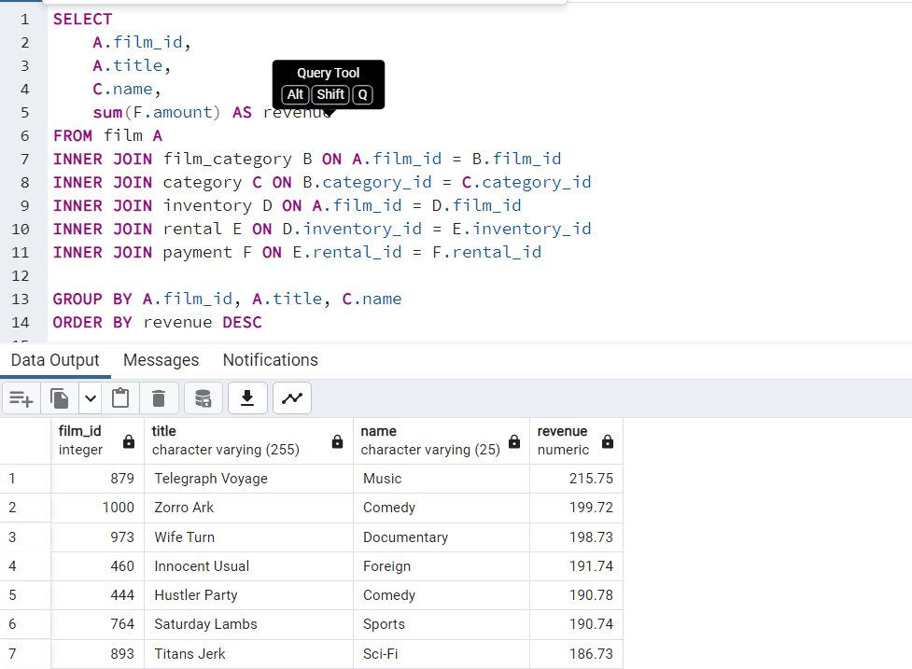
film_id | title | name | revenue
157 | Clockwork Paradise | Children | 1.19
931 | Valentine Vanishing | Travel | 1.29
66 | Beneath Rush | Children | 1.69
339 | Frogmen Breaking | Travel | 1.69
283 | Ending Crowds | New | 1.79
509 | Language Cowboy | Children | 1.89
831 | Spirited Casualties | Sci-Fi | 1.89
352 | Gathering Calendar | Games | 1.99
766 | Savannah Town | Drama | 2.29
218 | Deceiver Betrayed | Drama | 2.48
89 | Borrowers Bedazzled | Animation | 2.58
315 | Finding Anaconda | Family | 2.69
377 | Grease Youth | Family | 2.78
585 | Mob Duffel | Drama | 2.79
482 | Jeopardy Encino | Classics | 2.89
928 | Uptown Young | Children | 2.99
761 | Santa Paris | Children | 2.99
18 | Alter Victory | Animation | 3.08
309 | Feud Frogmen | Family | 3.18
576 | Mighty Luck | Documentary | 3.19
819 | Song Hedwig | Music | 3.19
413 | Hedwig Alter | Comedy | 3.19
19 | Amadeus Holy | Action | 3.28
848 | Stone Fire | Travel | 3.29
540 | Lucky Flying | Music | 3.29
553 | Maker Gables | Children | 3.29
80 | Blanket Beverly | Family | 3.39
257 | Drumline Cyclone | Travel | 3.69
700 | Prix Undefeated | Family | 3.79
530 | Lord Arizona | Action | 3.99
54 | Banger Pinocchio | Music | 4.08
337 | Frida Slipper | Foreign | 4.09
39 | Armageddon Lost | Sci-Fi | 4.18
96 | Breaking Home | New | 4.19
504 | Kwai Homeward | Drama | 4.28
960 | Wars Pluto | Documentary | 4.29
692 | Potluck Mixed | Animation | 4.39
837 | Stage World | Comedy | 4.69
406 | Haunting Pianist | Games | 4.78
145 | Chisum Behavior | Family | 5.09
533 | Lost Bird | Foreign | 5.09
469 | Iron Moon | Classics | 5.09
494 | Karate Moon | Horror | 5.18
780 | Sensibility Rear | Family | 5.29
731 | Right Cranes | Classics | 5.29
314 | Fight Jawbreaker | Animation | 5.38
276 | Element Freddy | Comedy | 5.69
633 | October Submarine | Classics | 5.79
881 | Temple Attraction | Horror | 5.79
508 | Lambs Cincinatti | Games | 5.79
651 | Packer Madigan | Animation | 5.88
811 | Smile Earring | Travel | 5.89
885 | Texas Watch | Horror | 5.94
635 | Oklahoma Jumanji | New | 5.94
261 | Duffel Apocalypse | Documentary | 5.94
335 | Freedom Cleopatra | Comedy | 5.95
640 | Opus Ice | Foreign | 6.09
235 | Divide Monster | Sci-Fi | 6.18
292 | Excitement Eve | Action | 6.18
993 | Wrong Behavior | Children | 6.28
134 | Champion Flatliners | Animation | 6.29
277 | Elephant Trojan | Horror | 6.49
312 | Fiddler Lost | Sci-Fi | 6.49
437 | House Dynamite | Family | 6.58
853 | Stranger Strangers | Children | 6.59
20 | Amelie Hellfighters | Music | 6.79
996 | Young Language | Documentary | 6.93
718 | Rebel Airport | Music | 6.93
910 | Treatment Jekyll | Drama | 6.94
196 | Cruelty Unforgiven | Classics | 6.94
60 | Beast Hunchback | Classics | 6.99
645 | Others Soup | Travel | 7.08
353 | Gentlemen Stage | Foreign | 7.08
67 | Berets Agent | Action | 7.28
210 | Darko Dorado | Action | 7.29
252 | Dream Pickup | Action | 7.38
193 | Crossroads Casualties | Animation | 7.48
46 | Autumn Crow | Games | 7.49
782 | Shakespeare Saddle | Sports | 7.68
707 | Quest Mussolini | Action | 7.78
402 | Harper Dying | Animation | 7.78
523 | Lights Deer | Classics | 7.93
475 | Japanese Run | Horror | 7.94
839 | Stallion Sundance | Sci-Fi | 7.94
662 | Paths Control | Drama | 8.19
841 | Star Operation | Sports | 8.38
15 | Alien Center | Foreign | 8.48
57 | Basic Easy | Travel | 8.78
401 | Harold French | Drama | 8.93
355 | Ghostbusters Elf | Animation | 8.93
178 | Connection Microcosmos | Comedy | 8.95
759 | Salute Apollo | New | 9.58
52 | Ballroom Mockingbird | Foreign | 9.93
168 | Comancheros Enemy | Children | 9.94
25 | Angels Life | New | 10.38
915 | Truman Crazy | Action | 10.48
961 | Wash Heavenly | Foreign | 10.48
676 | Philadelphia Wife | Sports | 10.78
899 | Towers Hurricane | Classics | 10.91
477 | Jawbreaker Brooklyn | Music | 10.91
998 | Zhivago Core | Horror | 10.93
566 | Maude Mod | Foreign | 10.93
117 | Candles Grapes | Games | 11.18
590 | Money Harold | New | 11.18
720 | Redemption Comforts | New | 11.38
814 | Snatch Slipper | Comedy | 11.78
594 | Montezuma Command | Action | 11.91
751 | Runaway Tenenbaums | New | 11.93
866 | Sunset Racer | Family | 11.93
822 | Soup Wisdom | Family | 11.93
947 | Vision Torque | Foreign | 11.94
775 | Seattle Expecations | Drama | 12.58
940 | Victory Academy | Sports | 12.91
630 | Notting Speakeasy | Drama | 12.91
516 | Legend Jedi | Music | 12.92
407 | Hawk Chill | Documentary | 12.94
596 | Moonshine Cabin | Games | 13.18
409 | Heartbreakers Bright | Children | 13.28
271 | Easy Gladiator | Action | 13.28
423 | Hollywood Anonymous | Children | 13.87
493 | Kane Exorcist | Foreign | 13.88
965 | Watership Frontier | Horror | 13.94
262 | Dumbo Lust | Family | 13.94
972 | Whisperer Giant | Sci-Fi | 14.18
830 | Spirit Flintstones | Horror | 14.86
379 | Greedy Roots | Drama | 14.87
63 | Bedazzled Married | Family | 14.88
813 | Smoochy Control | Sports | 14.88
762 | Sassy Packer | Games | 14.88
194 | Crow Grease | Action | 14.89
752 | Runner Madigan | Music | 14.92
808 | Sling Luke | Classics | 14.94
935 | Vanished Garden | New | 14.94
362 | Glory Tracy | Games | 14.95
846 | Sting Personal | New | 14.98
797 | Silence Kane | Music | 15.85
511 | Lawrence Love | Action | 15.87
974 | Wild Apollo | New | 15.94
612 | Mussolini Spoilers | Sports | 15.95
584 | Mixed Doors | Foreign | 15.96
400 | Hardly Robbers | Documentary | 15.96
795 | Siege Madre | Family | 16.86
348 | Gandhi Kwai | Family | 16.87
538 | Loverboy Attacks | New | 16.89
64 | Beethoven Exorcist | Drama | 16.89
598 | Mosquito Armageddon | Sports | 16.89
868 | Superfly Trip | Travel | 16.91
997 | Youth Kick | Music | 16.94
180 | Conspiracy Spirit | Classics | 16.95
343 | Full Flatliners | Children | 16.95
94 | Braveheart Human | Family | 16.95
812 | Smoking Barbarella | Documentary | 17.84
696 | Pride Alamo | Animation | 17.85
27 | Anonymous Human | Sports | 17.87
855 | Streak Ridgemont | Documentary | 17.87
430 | Hook Chariots | Animation | 17.87
357 | Gilbert Pelican | Classics | 17.91
613 | Mystic Truman | Comedy | 17.92
425 | Holy Tadpole | Classics | 17.92
547 | Magic Mallrats | Children | 17.93
520 | License Weekend | Sci-Fi | 17.94
507 | Ladybugs Armageddon | Games | 17.94
688 | Polish Brooklyn | Children | 18.85
186 | Craft Outfield | Drama | 18.86
834 | Spoilers Hellfighters | Documentary | 18.91
454 | Impact Aladdin | Music | 18.92
799 | Simon North | Horror | 18.94
754 | Rushmore Mermaid | Comedy | 18.94
569 | Menagerie Rushmore | Animation | 18.94
894 | Tomatoes Hellfighters | Travel | 19.86
634 | Odds Boogie | Family | 19.87
882 | Tenenbaums Command | Drama | 19.88
821 | Sorority Queen | Foreign | 19.88
440 | Hunger Roof | Foreign | 19.88
593 | Monterey Labyrinth | Horror | 19.89
479 | Jedi Beneath | Family | 20.82
97 | Bride Intrigue | Action | 20.82
610 | Music Boondock | Family | 20.83
259 | Duck Racer | Animation | 20.95
663 | Patient Sister | Classics | 21.82
105 | Bull Shawshank | Action | 21.84
942 | Vietnam Smoochy | Drama | 21.86
153 | Citizen Shrek | Sci-Fi | 21.87
34 | Arabia Dogma | Horror | 21.88
539 | Luck Opus | Drama | 21.93
605 | Mulholland Beast | Foreign | 21.93
675 | Phantom Glory | New | 21.94
959 | Warlock Werewolf | Children | 21.94
513 | Leathernecks Dwarfs | Travel | 21.94
498 | Killer Innocent | Family | 21.94
237 | Divorce Shining | Sports | 21.95
249 | Dracula Crystal | Classics | 22.81
924 | Unforgiven Zoolander | Sci-Fi | 22.84
535 | Love Suicides | Horror | 22.85
992 | Wrath Mile | Documentary | 22.87
290 | Everyone Craft | Foreign | 22.89
787 | Shining Roses | Travel | 22.92
622 | Newsies Story | Documentary | 22.93
53 | Bang Kwai | Family | 22.93
399 | Happiness United | Foreign | 22.94
297 | Extraordinary Conquerer | Classics | 22.94
517 | Lesson Cleopatra | Sports | 22.94
424 | Holocaust Highball | Children | 23.84
427 | Homeward Cider | Documentary | 23.84
492 | Jungle Closer | New | 23.88
722 | Reef Salute | Horror | 23.89
76 | Birdcage Casper | Music | 23.91
136 | Chaplin License | New | 23.92
163 | Clyde Theory | New | 23.92
125 | Cassidy Wyoming | Travel | 23.94
238 | Doctor Grail | Children | 23.95
558 | Mannequin Worst | New | 23.95
981 | Wolves Desire | Travel | 24.79
727 | Resurrection Silverado | Family | 24.81
562 | Masked Bubble | Music | 24.81
809 | Slipper Fidelity | Sports | 24.86
629 | Notorious Reunion | Documentary | 24.87
258 | Drums Dynamite | Horror | 24.87
636 | Oleander Clue | Music | 24.91
990 | World Leathernecks | Horror | 24.92
230 | Diary Panic | Drama | 24.92
62 | Bed Highball | Documentary | 24.94
32 | Apocalypse Flamingos | New | 24.95
903 | Traffic Hobbit | Travel | 24.95
441 | Hunter Alter | Documentary | 24.95
904 | Train Bunch | Horror | 24.96
741 | Roman Punk | Music | 25.79
600 | Motions Details | Horror | 25.87
907 | Translation Summer | Drama | 25.87
223 | Desire Alien | Animation | 25.92
684 | Pizza Jumanji | Games | 25.94
107 | Bunch Minds | Drama | 25.95
149 | Christmas Moonshine | Children | 26.81
280 | Empire Malkovich | Children | 26.81
291 | Evolution Alter | Sports | 26.88
188 | Crazy Home | Comedy | 26.91
674 | Pet Haunting | Foreign | 26.92
208 | Dares Pluto | Animation | 26.92
923 | Unfaithful Kill | Drama | 26.92
699 | Private Drop | Games | 26.95
118 | Canyon Stock | Animation | 27.81
281 | Encino Elf | Games | 27.81
416 | Highball Potter | Foreign | 27.81
743 | Room Roman | Animation | 27.82
717 | Rear Trading | Action | 27.85
155 | Cleopatra Devil | New | 27.85
250 | Dragon Squad | Action | 27.89
581 | Minority Kiss | Music | 27.89
240 | Dolls Rage | Sci-Fi | 27.92
656 | Papi Necklace | Travel | 27.93
29 | Antitrust Tomatoes | Action | 27.93
836 | Squad Fish | Sports | 27.93
459 | Informer Double | Foreign | 27.95
786 | Shepherd Midsummer | Children | 28.77
130 | Celebrity Horn | Action | 28.79
534 | Louisiana Harry | Family | 28.84
205 | Dances None | Action | 28.87
896 | Tootsie Pilot | Children | 28.88
983 | Won Dares | Music | 28.91
146 | Chitty Lock | Drama | 28.92
264 | Dwarfs Alter | Games | 28.92
541 | Luke Mummy | Animation | 28.93
926 | Untouchables Sunrise | Documentary | 28.93
185 | Cowboy Doom | Foreign | 28.93
143 | Chill Luck | Drama | 29.79
79 | Blade Polish | Drama | 29.81
747 | Roxanne Rebel | Games | 29.83
794 | Side Ark | Action | 29.88
726 | Reservoir Adaptation | Foreign | 29.91
978 | Wisdom Worker | Comedy | 29.91
368 | Gone Trouble | Drama | 29.92
393 | Halloween Nuts | Documentary | 29.92
11 | Alamo Videotape | Foreign | 30.78
387 | Gun Bonnie | Games | 30.79
560 | Mars Roman | Games | 30.83
140 | Cheaper Clyde | Sci-Fi | 30.83
299 | Factory Dragon | Travel | 30.85
886 | Theory Mermaid | Animation | 30.88
604 | Mulan Moon | Comedy | 30.89
490 | Jumanji Blade | New | 30.92
82 | Blood Argonauts | Family | 30.93
781 | Seven Swarm | Games | 30.95
176 | Congeniality Quest | Sports | 31.81
132 | Chainsaw Uptown | Sci-Fi | 31.81
646 | Outbreak Divine | Games | 31.82
948 | Voice Peach | New | 31.83
85 | Bonnie Holocaust | Documentary | 31.85
732 | Rings Heartbreakers | Action | 31.87
617 | Natural Stock | Family | 31.88
306 | Feathers Metal | Games | 31.91
714 | Random Go | Sci-Fi | 31.91
225 | Destination Jerk | Drama | 31.92
758 | Saints Bride | Drama | 31.92
405 | Haunted Antitrust | Travel | 31.94
248 | Dozen Lion | Documentary | 31.94
182 | Control Anthem | Comedy | 31.94
224 | Desperate Trainspotting | Travel | 31.94
949 | Volcano Texas | Games | 32.81
840 | Stampede Disturbing | Games | 32.86
862 | Summer Scarface | Classics | 32.86
736 | Robbery Bright | Family | 32.88
756 | Saddle Antitrust | Comedy | 32.89
106 | Bulworth Commandments | Games | 32.93
411 | Heavenly Gun | Music | 32.94
883 | Tequila Past | Children | 32.94
1 | Academy Dinosaur | Documentary | 33.79
976 | Wind Phantom | Games | 33.79
524 | Lion Uncut | Comedy | 33.83
963 | Watch Tracy | Animation | 33.85
832 | Splash Gump | Family | 33.86
577 | Mile Mulan | Sports | 33.89
187 | Cranes Reservoir | Sports | 33.91
952 | Wagon Jaws | Documentary | 33.91
550 | Maguire Apache | Family | 33.91
310 | Fever Empire | Games | 33.95
875 | Talented Homicide | Sports | 34.76
200 | Curtain Videotape | Games | 34.77
122 | Carrie Bunch | Horror | 34.77
270 | Earth Vision | New | 34.77
457 | Independence Hotel | Documentary | 34.82
877 | Taxi Kick | Music | 34.83
241 | Donnie Alley | Animation | 34.87
452 | Illusion Amelie | Foreign | 34.87
549 | Magnolia Forrester | Action | 34.89
3 | Adaptation Holes | Documentary | 34.89
278 | Elf Murder | Music | 34.94
850 | Story Side | Action | 35.74
595 | Moon Bunch | Foreign | 35.74
303 | Fantasy Troopers | Action | 35.79
360 | Glass Dying | Action | 35.88
340 | Frontier Cabin | New | 35.94
102 | Bubble Grosse | Sports | 35.94
695 | President Bang | Family | 35.94
769 | School Jacket | Foreign | 35.94
697 | Primary Glass | Action | 36.73
970 | Westward Seabiscuit | Classics | 36.75
790 | Shootist Superfly | Drama | 36.77
467 | Intrigue Worst | Foreign | 36.81
461 | Insects Stone | Animation | 36.81
864 | Sundance Invasion | Children | 36.82
552 | Majestic Floats | Documentary | 36.85
40 | Army Flintstones | Documentary | 36.86
618 | Necklace Outbreak | Drama | 36.86
279 | Elizabeth Shane | Sports | 36.93
817 | Soldiers Evolution | Sci-Fi | 36.93
268 | Early Home | Animation | 36.94
12 | Alaska Phantom | Music | 37.77
119 | Caper Motions | Comedy | 37.77
164 | Coast Rainbow | Documentary | 37.82
488 | Joon Northwest | Sports | 37.84
744 | Roots Remember | Classics | 37.86
792 | Shrek License | Foreign | 37.88
815 | Snatchers Montezuma | Classics | 37.91
522 | Life Twisted | Comedy | 37.92
939 | Vertigo Northwest | Comedy | 37.92
364 | Godfather Diary | New | 37.92
372 | Graceland Dynamite | Sports | 37.94
677 | Pianist Outfield | New | 38.78
191 | Crooked Frogmen | Children | 38.79
982 | Women Dorado | Action | 38.81
160 | Club Graffiti | Animation | 38.82
282 | Encounters Curtain | Drama | 38.82
574 | Midnight Westward | Action | 38.84
828 | Spiking Element | Classics | 38.88
719 | Records Zorro | Sports | 38.93
472 | Italian African | Travel | 38.94
602 | Mourning Purple | Sci-Fi | 39.81
233 | Disciple Mother | Travel | 39.82
652 | Pajama Jawbreaker | Classics | 39.86
110 | Cabin Flash | Children | 39.86
829 | Spinal Rocky | Family | 39.87
394 | Hamlet Wisdom | Sci-Fi | 39.88
740 | Rollercoaster Bringing | Horror | 39.91
422 | Hollow Jeopardy | Sci-Fi | 39.92
515 | Legally Secretary | Children | 39.92
466 | Intolerable Intentions | Documentary | 39.93
316 | Fire Wolves | Games | 39.93
884 | Terminator Club | Music | 39.94
485 | Jersey Sassy | Children | 39.94
687 | Pocus Pulp | Documentary | 40.75
833 | Splendor Patton | Children | 40.79
273 | Effect Gladiator | Family | 40.79
906 | Tramp Others | Comedy | 40.82
383 | Groove Fiction | Sports | 40.83
442 | Hunting Musketeers | Family | 40.88
962 | Wasteland Divine | Classics | 40.88
328 | Forever Candidate | Children | 40.88
658 | Paris Weekend | Horror | 40.88
876 | Tarzan Videotape | Horror | 40.92
375 | Grail Frankenstein | Action | 40.92
685 | Platoon Instinct | New | 40.92
565 | Matrix Snowman | Foreign | 40.92
47 | Baby Hall | Foreign | 40.93
289 | Eve Resurrection | New | 40.93
161 | Clue Grail | Music | 40.93
505 | Labyrinth League | Children | 41.87
660 | Party Knock | Comedy | 41.88
213 | Date Speed | Family | 41.88
825 | Speakeasy Date | Action | 41.89
431 | Hoosiers Birdcage | Foreign | 41.92
435 | Hotel Happiness | Foreign | 41.92
582 | Miracle Virtual | Animation | 41.92
703 | Punk Divorce | Animation | 41.93
849 | Storm Happiness | Animation | 42.74
951 | Voyage Legally | Classics | 42.75
526 | Lock Rear | Travel | 42.86
847 | Stock Glass | New | 42.87
287 | Entrapment Satisfaction | Action | 42.87
373 | Graduate Lord | Children | 42.87
921 | Uncut Suicides | Music | 42.87
589 | Modern Dorado | Documentary | 42.88
770 | Scissorhands Slums | Foreign | 42.88
296 | Express Lonely | Sci-Fi | 42.88
750 | Run Pacific | New | 42.91
470 | Ishtar Rocketeer | Animation | 42.94
367 | Goldmine Tycoon | Sci-Fi | 43.76
650 | Pacific Amistad | Documentary | 43.81
363 | Go Purple | Music | 43.83
925 | United Pilot | Documentary | 43.85
333 | Freaky Pocus | Music | 43.86
784 | Shanghai Tycoon | Travel | 43.86
201 | Cyclone Family | Foreign | 43.87
673 | Personal Ladybugs | Music | 43.87
573 | Microcosmos Paradise | Children | 43.88
30 | Anything Savannah | Horror | 43.92
256 | Drop Waterfront | Sports | 43.92
436 | Hours Rage | New | 44.82
788 | Ship Wonderland | Documentary | 44.86
826 | Speed Suit | Travel | 44.92
211 | Darling Breaking | Games | 44.92
197 | Crusade Honey | Sports | 44.93
681 | Pirates Roxanne | Sports | 45.81
927 | Uprising Uptown | Action | 45.87
209 | Darkness War | Drama | 45.88
104 | Bugsy Song | Foreign | 45.91
528 | Lolita World | Family | 45.91
124 | Casper Dragonfly | Children | 45.93
156 | Clerks Angels | Documentary | 45.94
388 | Gunfight Moon | Comedy | 46.79
623 | Newton Labyrinth | Foreign | 46.84
458 | Indian Love | Family | 46.85
913 | Troopers Metal | New | 46.86
111 | Caddyshack Jedi | Action | 46.86
793 | Shrunk Divine | Action | 46.87
16 | Alley Evolution | Foreign | 46.87
900 | Town Ark | Foreign | 46.87
905 | Trainspotting Strangers | Comedy | 46.91
984 | Wonderful Drop | Foreign | 46.92
384 | Grosse Wonderful | Music | 46.92
945 | Virginian Pluto | Documentary | 47.75
345 | Gables Metropolis | Family | 47.83
988 | Worker Tarzan | Travel | 47.86
546 | Madre Gables | Games | 47.87
232 | Dirty Ace | Games | 47.87
5 | African Egg | Thriller | 47.89
503 | Kramer Chocolate | Sports | 47.91
721 | Reds Pocus | Music | 47.92
779 | Sense Greek | Sports | 47.93
810 | Slums Duck | Family | 48.78
807 | Sleuth Orient | Games | 48.81
737 | Rock Instinct | Horror | 48.83
496 | Kick Savannah | Travel | 48.83
937 | Varsity Trip | New | 48.84
592 | Monster Spartacus | Music | 48.86
729 | Rider Caddyshack | Sports | 48.89
587 | Mod Secretary | Documentary | 48.91
543 | Madigan Dorado | Travel | 48.92
371 | Gosford Donnie | Action | 48.92
659 | Park Citizen | Action | 48.94
206 | Dancing Fever | Documentary | 49.76
147 | Chocolat Harry | Family | 49.81
631 | Novocaine Flight | Sports | 49.82
410 | Heaven Freedom | Comedy | 49.85
561 | Mask Peach | New | 49.86
932 | Valley Packer | Comedy | 49.88
293 | Exorcist Sting | Sports | 49.88
91 | Bound Cheaper | Classics | 50.76
395 | Handicap Boondock | Action | 50.76
863 | Sun Confessions | Sci-Fi | 50.77
26 | Annie Identity | Sci-Fi | 50.81
728 | Reunion Witches | Drama | 50.82
977 | Window Side | Travel | 50.89
23 | Anaconda Confessions | Animation | 51.82
286 | Enough Raging | Travel | 51.84
601 | Moulin Wake | Travel | 51.84
746 | Rouge Squad | Games | 51.84
679 | Pilot Hoosiers | Family | 51.86
627 | North Tequila | Documentary | 51.91
653 | Panic Club | Horror | 51.93
358 | Gilmore Boiled | Classics | 52.76
664 | Patriot Roman | Action | 52.85
975 | Willow Tracy | Family | 52.85
783 | Shane Darkness | Travel | 52.87
705 | Purple Movie | Foreign | 52.88
246 | Doubtfire Labyrinth | Foreign | 52.91
934 | Vanilla Day | Games | 52.91
390 | Guys Falcon | Sci-Fi | 52.92
2 | Ace Goldfinger | Horror | 52.93
586 | Mockingbird Hollywood | Action | 53.78
672 | Perfect Groove | Comedy | 53.84
474 | Jade Bunch | Sports | 53.85
152 | Circus Youth | Children | 53.86
75 | Bird Independence | Travel | 53.91
632 | Nuts Ties | New | 53.91
338 | Frisco Forrest | Sci-Fi | 53.91
890 | Tights Dawn | Sports | 54.76
647 | Outfield Massacre | Music | 54.82
204 | Dalmations Sweden | Drama | 54.82
709 | Racer Egg | Drama | 54.83
591 | Monsoon Cause | Games | 54.91
537 | Lover Truman | Classics | 54.91
13 | Ali Forever | Horror | 54.91
548 | Magnificent Chitty | Classics | 54.92
851 | Straight Hours | Sports | 55.81
380 | Greek Everyone | Foreign | 55.83
606 | Mummy Creatures | Sports | 55.85
58 | Beach Heartbreakers | Documentary | 55.86
24 | Analyze Hoosiers | Horror | 55.86
842 | State Wasteland | Games | 55.89
376 | Grapes Fury | Foreign | 56.77
245 | Double Wrath | Animation | 56.79
733 | River Outlaw | Sports | 56.82
150 | Cider Desire | Documentary | 56.83
189 | Creatures Shakespeare | Games | 56.84
90 | Boulevard Mob | New | 56.84
916 | Turn Star | Animation | 56.88
449 | Identity Lover | Sci-Fi | 56.88
92 | Bowfinger Gables | Horror | 56.89
564 | Massage Image | Animation | 56.89
639 | Opposite Necklace | Family | 56.89
342 | Fugitive Maguire | Travel | 56.89
567 | Meet Chocolate | Foreign | 56.89
93 | Brannigan Sunrise | New | 56.91
317 | Fireball Philadelphia | Comedy | 57.81
796 | Sierra Divide | Sports | 57.85
417 | Hills Neighbors | Action | 58.79
142 | Chicken Hellfighters | Documentary | 58.81
311 | Fiction Christmas | Foreign | 58.81
242 | Doom Dancing | Comedy | 58.83
344 | Fury Murder | Children | 58.83
615 | Nash Chocolat | Animation | 58.87
872 | Sweet Brotherhood | Travel | 58.89
428 | Homicide Peach | Family | 59.82
56 | Barefoot Manchurian | Action | 59.83
158 | Clones Pinocchio | Music | 59.83
429 | Honey Ties | Sports | 59.84
42 | Artist Coldblooded | Sports | 59.86
620 | Nemo Campus | Sci-Fi | 59.86
557 | Manchurian Curtain | Family | 59.86
478 | Jaws Harry | Comedy | 59.87
88 | Born Spinal | Travel | 59.88
487 | Jingle Sagebrush | Classics | 59.89
499 | King Evolution | Family | 59.92
301 | Family Sweet | Horror | 60.73
266 | Dynamite Tarzan | Classics | 60.77
800 | Sinners Atlantis | Horror | 60.81
269 | Earring Instinct | Family | 60.83
626 | Noon Papi | Children | 60.85
824 | Spartacus Cheaper | Family | 60.91
641 | Orange Grapes | Foreign | 61.78
690 | Pond Seattle | Animation | 61.82
17 | Alone Trip | Music | 61.83
462 | Insider Arizona | Music | 61.83
994 | Wyoming Storm | New | 61.89
126 | Casualties Encino | Action | 61.92
525 | Loathing Legally | Classics | 62.74
228 | Detective Vision | Classics | 62.76
514 | Lebowski Soldiers | Drama | 62.82
619 | Neighbors Charade | Sports | 62.83
716 | Reap Unfaithful | Horror | 62.84
351 | Gaslight Crusade | Horror | 62.84
254 | Driver Annie | Sports | 62.84
693 | Potter Connecticut | Animation | 62.85
536 | Lovely Jingle | Classics | 62.87
347 | Games Bowfinger | Travel | 62.88
72 | Bill Others | Documentary | 63.82
599 | Mother Oleander | Sports | 63.87
202 | Daddy Pittsburgh | Comedy | 63.89
28 | Anthem Luke | Comedy | 63.89
870 | Swarm Gold | Horror | 64.77
236 | Divine Resurrection | Games | 64.85
544 | Madison Trap | Documentary | 64.87
389 | Gunfighter Mussolini | Sports | 64.89
545 | Madness Attacks | Foreign | 65.77
816 | Snowman Rollercoaster | Animation | 65.79
138 | Chariots Conspiracy | Sci-Fi | 65.81
529 | Lonely Elephant | Comedy | 65.87
929 | Usual Untouchables | Foreign | 65.88
133 | Chamber Italian | Music | 65.88
957 | War Notting | Foreign | 65.88
689 | Pollock Deliverance | Foreign | 66.82
986 | Wonka Sea | Animation | 66.82
275 | Egypt Tenenbaums | Horror | 66.84
999 | Zoolander Fiction | Children | 66.85
991 | Worst Banger | Action | 66.85
84 | Boiled Dares | Travel | 66.87
137 | Charade Duffel | Sci-Fi | 66.87
661 | Past Suicides | Foreign | 66.88
207 | Dangerous Uptown | Foreign | 66.88
426 | Home Pity | Music | 66.88
918 | Twisted Pirates | Children | 66.89
...

data_genre_revenue
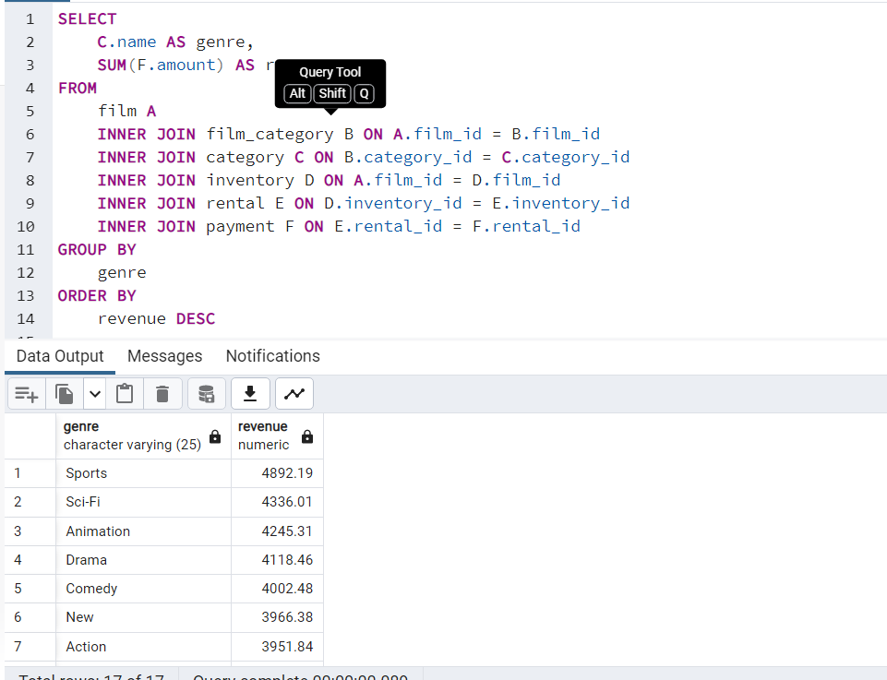
genre | revenue
Sports | $4,892.19
Sci-Fi | $4,336.01
Animation | $4,245.31
Drama | $4,118.46
Comedy | $4,002.48
New | $3,966.38
Action | $3,951.84
Foreign | $3,934.47
Games | $3,922.18
Family | $3,782.26
Documentary | $3,749.65
Horror | $3,401.27
Classics | $3,353.38
Children | $3,309.39
Travel | $3,227.36
Music | $3,071.52
Thriller | $47.89

data_rev_per_rating
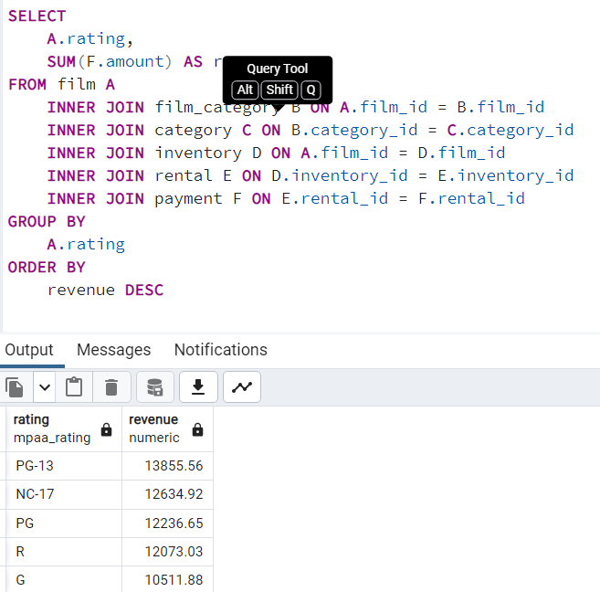
rating | revenue
PG-13 | $13,855.56
NC-17 | $12,634.92
PG | $12,236.65
R | $12,073.03
G | $10,511.88

avg rental rate
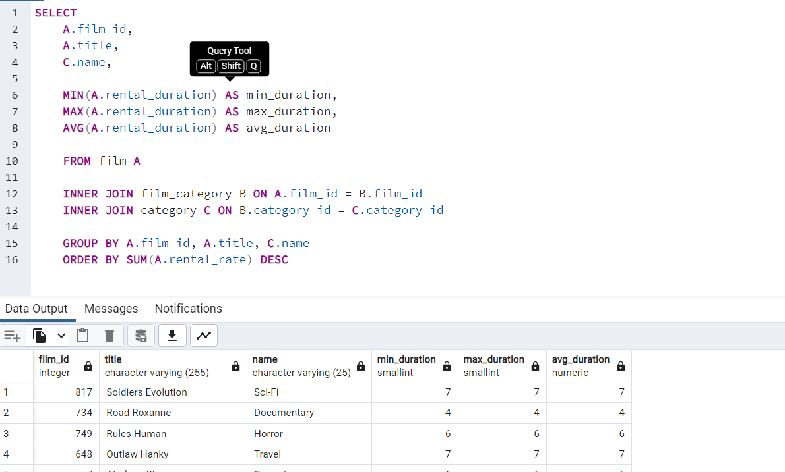
min_duration | max_duration | avg_duration | avg_rental_rate | mode_rating
6 | 6 | 6E+16 | 9.9E+19 | PG
3 | 3 | 3E+16 | 4.99E+16 | G
7 | 7 | 7E+16 | 2.99E+16 | NC-17
5 | 5 | 5E+16 | 2.99E+16 | G
6 | 6 | 6E+16 | 2.99E+16 | G
3 | 3 | 3E+16 | 2.99E+16 | PG
6 | 6 | 6E+16 | 4.99E+16 | PG-13
6 | 6 | 6E+16 | 4.99E+16 | R
3 | 3 | 3E+16 | 2.99E+16 | PG-13
6 | 6 | 6E+16 | 4.99E+16 | NC-17
6 | 6 | 6E+16 | 9.9E+19 | G
6 | 6 | 6E+16 | 9.9E+19 | PG
4 | 4 | 4E+16 | 4.99E+16 | PG
6 | 6 | 6E+16 | 9.9E+19 | NC-17
5 | 5 | 5E+16 | 2.99E+16 | NC-17
6 | 6 | 6E+16 | 2.99E+16 | NC-17
3 | 3 | 3E+16 | 9.9E+19 | R
6 | 6 | 6E+16 | 9.9E+19 | PG-13
6 | 6 | 6E+16 | 9.9E+19 | PG
4 | 4 | 4E+16 | 4.99E+16 | R
3 | 3 | 3E+16 | 4.99E+16 | R
6 | 6 | 6E+16 | 2.99E+16 | G
3 | 3 | 3E+16 | 9.9E+19 | R
6 | 6 | 6E+16 | 2.99E+16 | R
3 | 3 | 3E+16 | 2.99E+16 | G
3 | 3 | 3E+16 | 9.9E+19 | G
7 | 7 | 7E+16 | 9.9E+19 | NC-17
5 | 5 | 5E+16 | 4.99E+16 | PG-13
5 | 5 | 5E+16 | 2.99E+16 | NC-17
4 | 4 | 4E+16 | 2.99E+16 | R
5 | 5 | 5E+16 | 4.99E+16 | NC-17
6 | 6 | 6E+16 | 4.99E+16 | R
5 | 5 | 5E+16 | 2.99E+16 | PG-13
6 | 6 | 6E+16 | 9.9E+19 | NC-17
4 | 4 | 4E+16 | 2.99E+16 | PG-13
7 | 7 | 7E+16 | 9.9E+19 | PG-13
3 | 3 | 3E+16 | 2.99E+16 | PG
6 | 6 | 6E+16 | 9.9E+19 | NC-17
5 | 5 | 5E+16 | 9.9E+19 | G
...

Customers_by_country
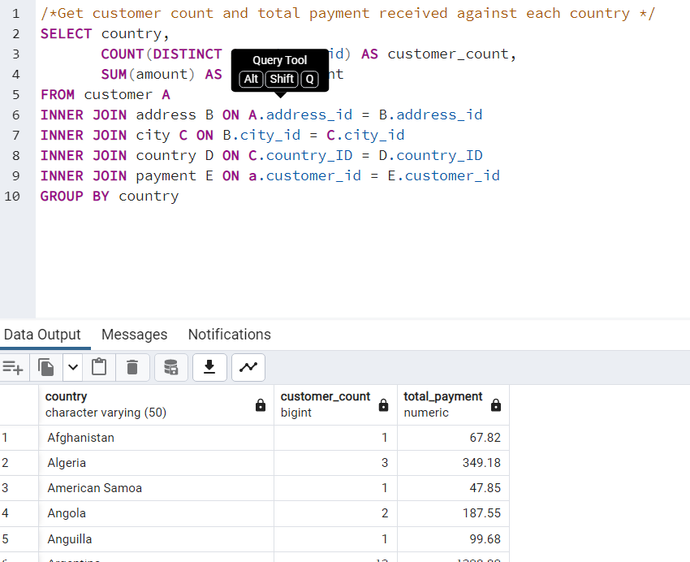
country | customer_count | total_payment
Afghanistan | 1 | 67.82
Algeria | 3 | 349.18
American Samoa | 1 | 47.85
Angola | 2 | 187.55
Anguilla | 1 | 99.68
Argentina | 13 | 1298.8
Armenia | 1 | 118.75
Austria | 3 | 284.3
Azerbaijan | 2 | 198.53
Bahrain | 1 | 108.76
Bangladesh | 3 | 353.19
Belarus | 2 | 271.36
Bolivia | 2 | 178.56
Brazil | 28 | 2919.19
Brunei | 1 | 107.66
Bulgaria | 2 | 194.52
Cambodia | 2 | 179.51
Cameroon | 2 | 186.49
Canada | 5 | 559.7
Chad | 1 | 122.72
Chile | 3 | 303.34
China | 53 | 5251.03
Colombia | 6 | 661.54
Congo, The Democratic Republic of the | 2 | 168.58
Czech Republic | 1 | 132.72
Dominican Republic | 3 | 304.26
Ecuador | 3 | 369.18
Egypt | 6 | 659.48
Estonia | 1 | 105.72
Ethiopia | 1 | 91.77
Faroe Islands | 1 | 96.76
Finland | 1 | 78.79
France | 4 | 334.12
French Guiana | 1 | 97.8
French Polynesia | 2 | 205.52
Gambia | 1 | 114.73
Germany | 7 | 741.24
Greece | 2 | 204.54
Greenland | 1 | 119.72
Holy See (Vatican City State) | 1 | 146.68
...

data_top_100_customers
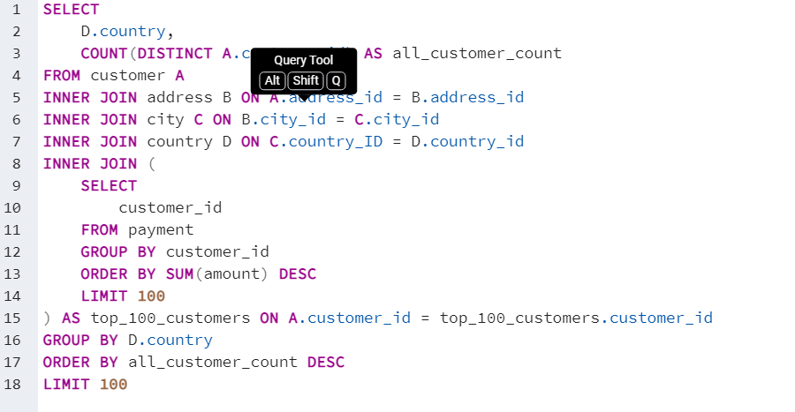
country | all_customer_count
China | 8
India | 7
Brazil | 6
Mexico | 6
Turkey | 5
United States | 5
Philippines | 4
Taiwan | 4
Japan | 3
Vietnam | 3
Russian Federation | 3
Germany | 3
Iran | 2
Poland | 2
Italy | 2
Colombia | 2
Thailand | 2
Canada | 2
Yemen | 2
Nigeria | 2
South Korea | 1
Spain | 1
Sudan | 1
Sweden | 1
Turkmenistan | 1
Ukraine | 1
Algeria | 1
Yugoslavia | 1
Argentina | 1
Bangladesh | 1
Belarus | 1
Czech Republic | 1
Ecuador | 1
Egypt | 1
...

data-top_10_cities
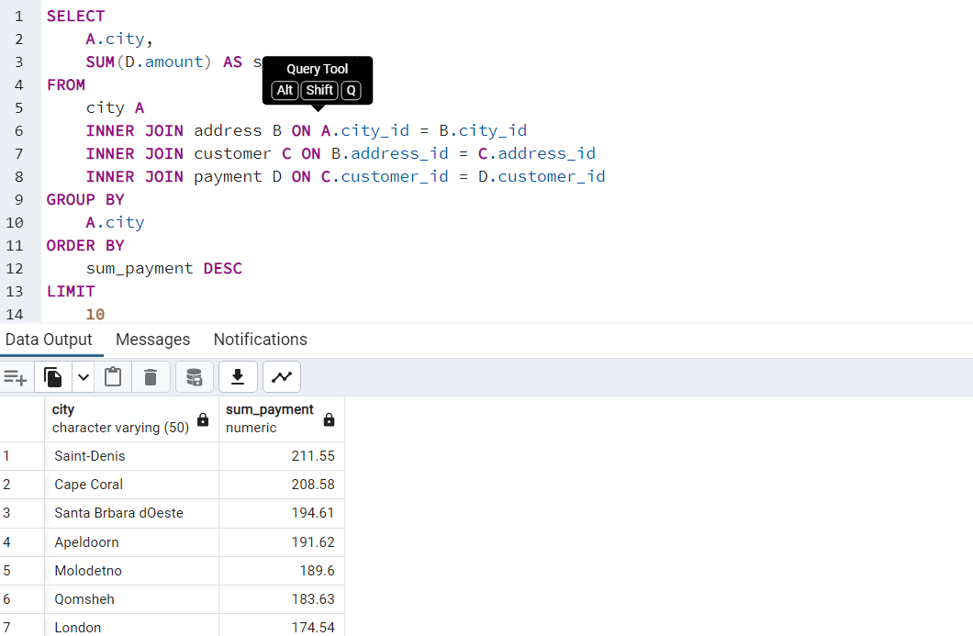
city | sum_payment
Saint-Denis | 21155
Cape Coral | 20858
Santa Brbara dOeste | 19461
Apeldoorn | 19162
Molodetno | 18960
Qomsheh | 18363
London | 17454
Memphis | 16767
Richmond Hill | 16762
Tanza | 16661

